Sheet1
NISSSC Team Hood Order Form 2017

School Name: |  |  |  |  |  |  |  | Team Hood Colour:
Contact: |  |  |  |  |  |  |  | (One per team)
Email: |  |  |  |  |  |  |  | Black | Navy | Burgundy | Army | Graphite
Phone: |  |  |  |  |  |  |  | Delete colours not wanted

Name |  | To be printed on back |  | Size |  |  |  |  |  |  |  | Price
First | Last | School Name | Nickname | XXS | XS | S | M | L | XL | XXL | XXXL | Per Hood | Total
James | Smith | Macleans | Smithy |  |  | 1 |  |  |  |  |  | $70 | $70
 |  |  |  |  |  |  |  |  |  |  |  | $70 | $0
 |  |  |  |  |  |  |  |  |  |  |  | $70 | $0
 |  |  |  |  |  |  |  |  |  |  |  | $70 | $0
 |  |  |  |  |  |  |  |  |  |  |  | $70 | $0
 |  |  |  |  |  |  |  |  |  |  |  | $70 | $0
 |  |  |  |  |  |  |  |  |  |  |  | $70 | $0
 |  |  |  |  |  |  |  |  |  |  |  | $70 | $0
 |  |  |  |  |  |  |  |  |  |  |  | $70 | $0
 |  |  |  |  |  |  |  |  |  |  |  | $70 | $0
 |  |  |  |  |  |  |  |  |  |  |  | $70 | $0
 |  |  |  |  |  |  |  |  |  |  |  | $70 | $0
 |  |  |  |  |  |  |  |  |  |  |  | $70 | $0
 |  |  |  |  |  |  |  |  |  |  |  | $70 | $0
 |  |  |  |  |  |  |  |  |  |  |  | $70 | $0
 |  |  |  |  |  |  |  |  |  |  |  | $70 | $0
 |  |  |  |  |  |  |  |  |  |  |  | $70 | $0
 |  |  |  |  |  |  |  |  |  |  |  | $70 | $0
 |  |  |  |  |  |  |  |  |  |  |  | $70 | $0
 |  |  |  |  |  |  |  |  |  |  |  | $70 | $0
 |  |  |  |  |  |  |  |  |  |  |  | $70 | $0
 |  |  |  |  |  |  |  |  |  |  |  | $70 | $0
Insert new rows above here
 |  |  |  |  |  |  |  |  |  |  | Total Owing |  | $0

Orders and payment are due by the Friday 18th August
Please email completed orders and confirmation of payment to info@boardertown.co.nz
Payments can be made to Boardertown Ltd | Westpac | 03 0166 0386054 00 | Reference: School Name
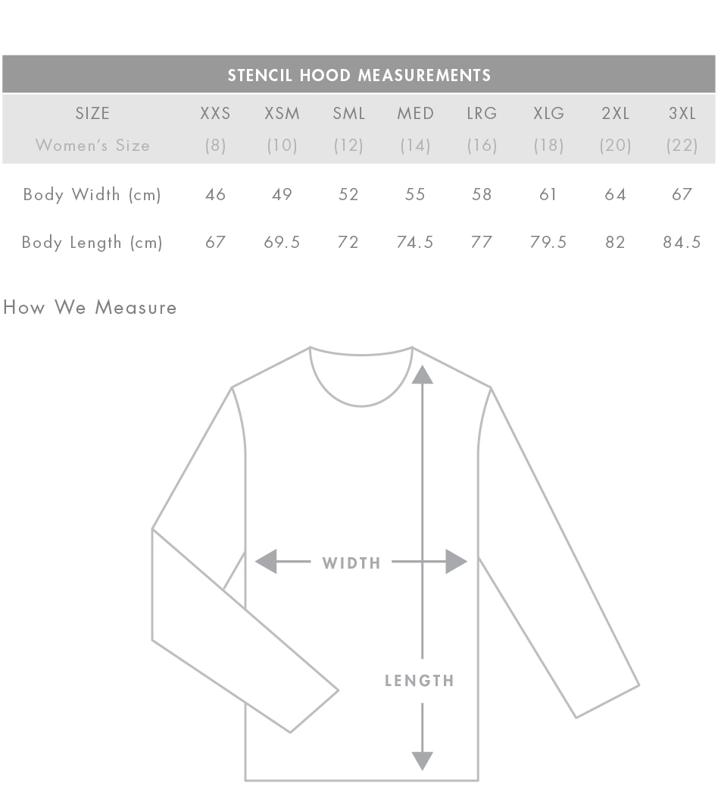
Sample Hood |  |  |  |  |  | Hood Measurements
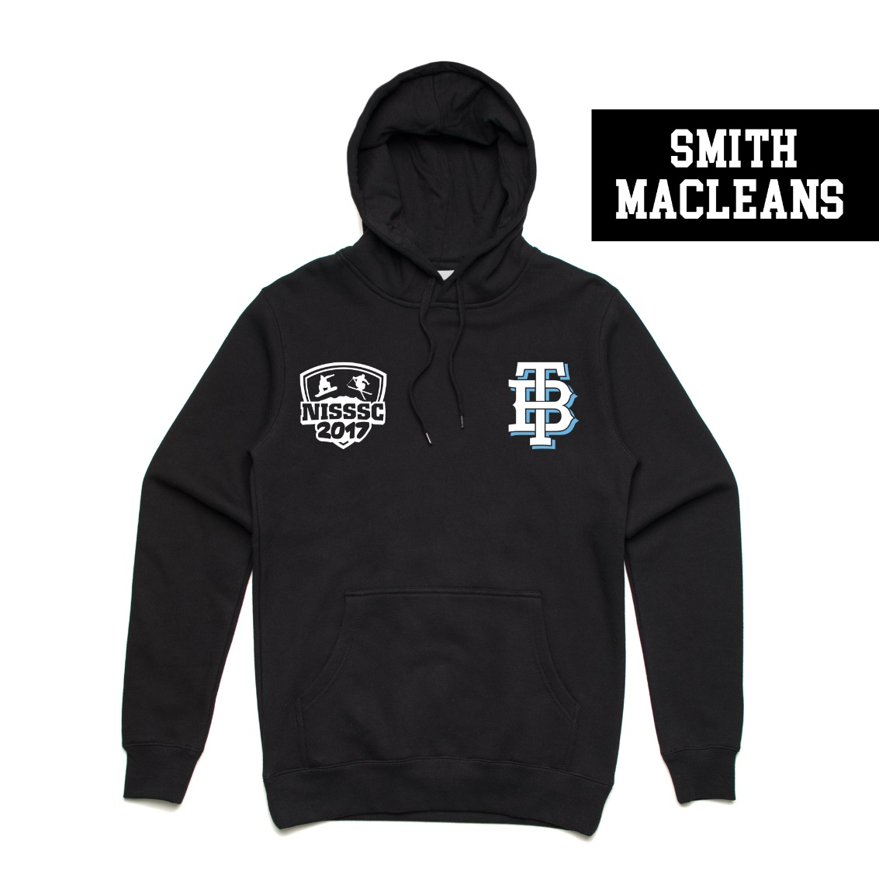

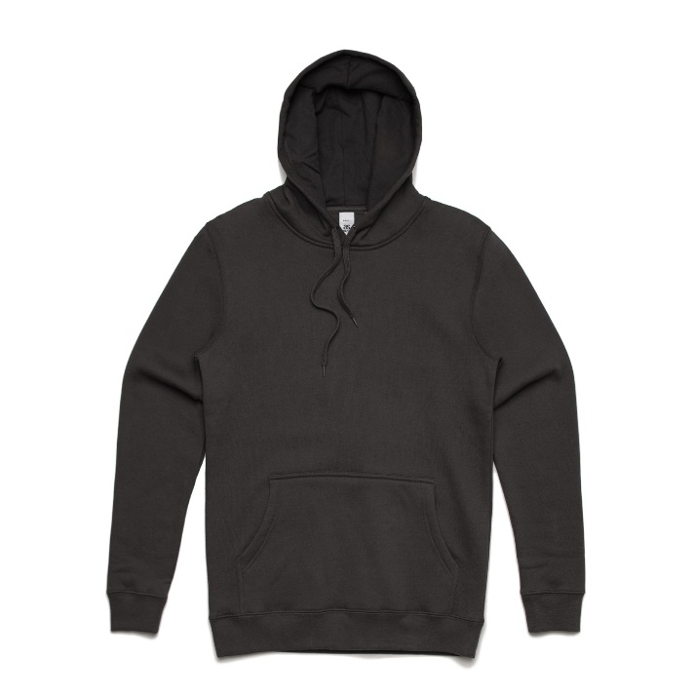
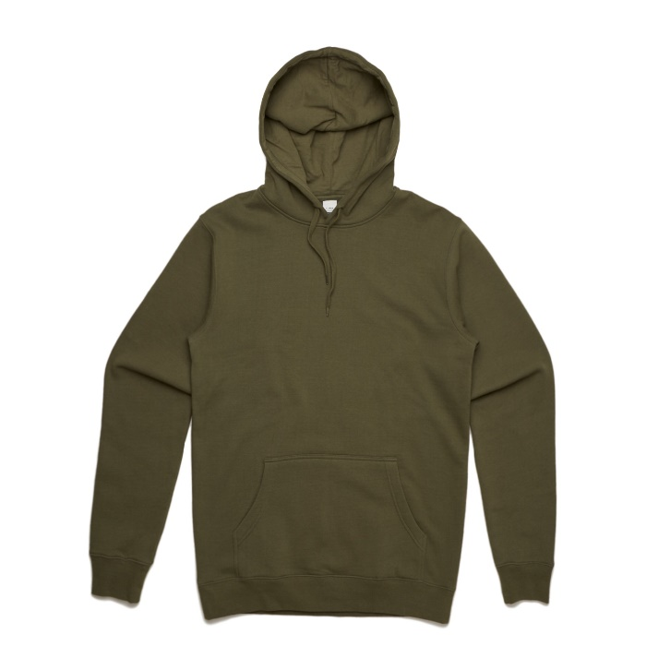
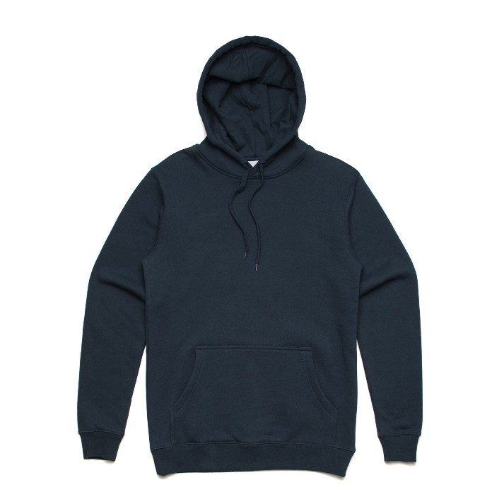
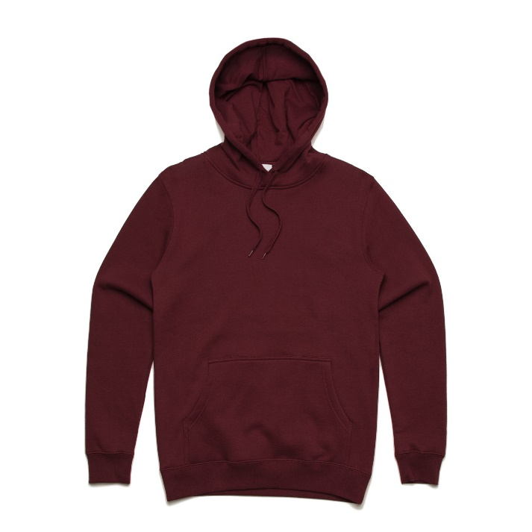

BLACK
ARMY
NAVY
BURGUNDY

